Table of Contents
Current Sense Amplifier Comparison and Error Calculator

Worksheet | Description

Comparison | Allows the user to select between 2 and 5 of Texas Instruments standard current sense amplifiers
 | The tool will provide a table comparing the selected devices on basic parameters as well
 | as plotting the root-sum-square error based on user-provided system parameters

TI Parametric | Expanded parametric selection table listing the key accuracy and performance parameters
...

Comparison
Current Sense Amplifier Comparison and Error Calculator
...
Select from 2 to 5 devices to compare and then hit the "Refresh" button. | 4 |  |  |  |  | System Operating Conditions |  | ▼ | Mouse over red triangles for additional information | #N/A
 |  |  |  |  |  | Supply Voltage (V) | 3.3 | ← | Enter the value for the supply voltage for the current sense amplifier. |  |  | Individual Error Contributions @ 25°C
Use the drop down to select the devices you want to compare. For many devices, parameters change with gain, so you must choose the appropriate option. In addition, a few devices have different specifications in low-side vs. high-side applications. |  |  |  |  |  | Common Mode Voltage (V) | 28 | ← | Enter the value of the common mode signal at the inputs pins. If a low-side, enter 0. |  | ISHUNT | VSHUNT1
 |  |  | None | None | None | Room Temp Calibration | No | ← | If you choose Yes, a simple two-point room temp calibration is assumed |  | 0.000001 | 5E-10
 |  |  |  |  |  | Desired Temperature (°C) | 75 | ← | Enter the temperature for a second curve for each device; the first curve is 25°C |  | 0.0000015 | 7.5E-10
 |  |  |  |  |  | System Current Conditions |  |  |  |  | 0.000002 | 0.000000001
 |  |  |  |  |  | Maximum Measured Current (A): | 30 | ← | Enter the maximum linear current to be measured. |  | 0.0000025 | 1.25E-09 | 800000.000% | 0.015% | 68161.464%
Parameter | INA241A4 | INA240A3 | INA293x3 |  |  | Nominal Measured Current (A): | 7 | ← | Enter the typical current value to calculate the typical RSS error shown in the table. |  | 0.000003 | 1.5E-09 | 666666.667% | 0.015% | 56801.220%
 | -5 V to 110 V | -4 V to 80 V | -4 V to 110 V | #N/A | #N/A | Minimum Measured Current (A): | 1 | ← | Enter the minimum current value to be measured |  | 0.0000035 | 1.75E-09 | 571428.571% | 0.015% | 48686.760%
 | -20 V to 120 V | -6 V to 90 V | -20 V to 120 V | #N/A | #N/A | Use Maximum Calculated Shunt? | No | ← | Determines if entered or calculated shunt value is used for calculations & curves |  | 0.000004 | 0.000000002 | 500000.000% | 0.015% | 42600.915%
 | 100 | 100 | 100 | #N/A | #N/A | Shunt Resistor Specifications |  |  |  |  | 0.0000045 | 2.25E-09 | 444444.444% | 0.015% | 37867.480%
 | 0.02% | 0.20% | 0.15% | #N/A | #N/A | Shunt Resistor (mΩ) | 0.5 | ← | Enter the planned Shunt Resistor in mΩ. |  | 0.000005 | 2.5E-09 | 400000.000% | 0.015% | 34080.732%
 | 2 | 2.5 | 10 | #N/A | #N/A | Resistor Tolerance (%) | 1.00% | ← | Enter the tolerance for the shunt resistor. |  | 0.0000055 | 2.75E-09 | 363636.364% | 0.015% | 30982.484%
 | 0.03% | 0.21% | 0.20% | #N/A | #N/A | Resistor Drift (ppm/C) | 0.0 | ← | Enter the temperature coefficient (drift) for the shunt resistor. |  | 0.000006 | 0.000000003 | 333333.333% | 0.015% | 28400.610%
 | 10 | 25 | 50 | #N/A | #N/A |  |  |  |  |  | 0.0000065 | 3.25E-09 | 307692.308% | 0.015% | 26215.948%
 | 0.1 | 0.25 | 0.5 | #N/A | #N/A |  |  |  |  |  | 0.000007 | 3.5E-09 | 285714.286% | 0.015% | 24343.380%
RSS Error with RSHUNT of 0.5mΩ, 1%, 0ppm/°C
 | INA241A4 @ 25°C | INA241A4 @ 75 °C | INA240A3 @ 25°C | INA240A3 @ 75 °C | INA293x3 @ 25°C | INA293x3 @ 75 °C | @ 25°C | @ 75 °C | @ 25°C | @ 75 °C
0.000001 | 2296899.17% | 3296897.84% | 11600003.49% | 14100002.87% | 11475174.58% | 16475174.53% | #N/A | #N/A | #N/A | #N/A
0.0000015 | 1531266.12% | 2197931.89% | 7733335.66% | 9400001.91% | 7650116.39% | 10983449.68% | #N/A | #N/A | #N/A | #N/A
0.000002 | 1148449.59% | 1648448.92% | 5800001.75% | 7050001.44% | 5737587.29% | 8237587.26% | #N/A | #N/A | #N/A | #N/A
0.0000025 | 918759.67% | 1318759.13% | 4640001.40% | 5640001.15% | 4590069.83% | 6590069.81% | #N/A | #N/A | #N/A | #N/A
0.000003 | 765633.06% | 1098965.95% | 3866667.83% | 4700000.96% | 3825058.19% | 5491724.84% | #N/A | #N/A | #N/A | #N/A
0.0000035 | 656256.91% | 941970.81% | 3314286.71% | 4028572.25% | 3278621.31% | 4707192.72% | #N/A | #N/A | #N/A | #N/A
0.000004 | 574224.79% | 824224.46% | 2900000.87% | 3525000.72% | 2868793.64% | 4118793.63% | #N/A | #N/A | #N/A | #N/A
0.0000045 | 510422.04% | 732643.96% | 2577778.55% | 3133333.97% | 2550038.80% | 3661149.89% | #N/A | #N/A | #N/A | #N/A
0.000005 | 459379.83% | 659379.57% | 2320000.70% | 2820000.57% | 2295034.92% | 3295034.91% | #N/A | #N/A | #N/A | #N/A
0.0000055 | 417618.03% | 599435.97% | 2109091.54% | 2563636.89% | 2086395.38% | 2995486.28% | #N/A | #N/A | #N/A | #N/A
0.000006 | 382816.53% | 549482.97% | 1933333.92% | 2350000.48% | 1912529.10% | 2745862.42% | #N/A | #N/A | #N/A | #N/A
0.0000065 | 353369.10% | 507215.05% | 1784615.92% | 2169231.21% | 1765411.47% | 2534642.23% | #N/A | #N/A | #N/A | #N/A
0.000007 | 328128.45% | 470985.41% | 1657143.36% | 2014286.12% | 1639310.65% | 2353596.36% | #N/A | #N/A | #N/A | #N/A
0.0000075 | 306253.22% | 439586.38% | 1546667.13% | 1880000.38% | 1530023.28% | 2196689.94% | #N/A | #N/A | #N/A | #N/A
0.000008 | 287112.40% | 412112.23% | 1450000.44% | 1762500.36% | 1434396.82% | 2059396.82% | #N/A | #N/A | #N/A | #N/A
0.0000085 | 270223.43% | 387870.33% | 1364706.29% | 1658823.87% | 1350020.54% | 1938255.83% | #N/A | #N/A | #N/A | #N/A
0.000009 | 255211.02% | 366321.98% | 1288889.28% | 1566666.99% | 1275019.40% | 1830574.95% | #N/A | #N/A | #N/A | #N/A
0.0000095 | 241778.86% | 347041.88% | 1221053.00% | 1484210.83% | 1207913.11% | 1734228.90% | #N/A | #N/A | #N/A | #N/A
0.00001 | 229689.92% | 329689.78% | 1160000.35% | 1410000.29% | 1147517.46% | 1647517.45% | #N/A | #N/A | #N/A | #N/A
0.000015 | 153126.61% | 219793.19% | 773333.57% | 940000.19% | 765011.64% | 1098344.97% | #N/A | #N/A | #N/A | #N/A
0.00002 | 114844.96% | 164844.89% | 580000.17% | 705000.14% | 573758.73% | 823758.73% | #N/A | #N/A | #N/A | #N/A
0.000025 | 91875.97% | 131875.91% | 464000.14% | 564000.11% | 459006.98% | 659006.98% | #N/A | #N/A | #N/A | #N/A
0.00003 | 76563.31% | 109896.59% | 386666.78% | 470000.10% | 382505.82% | 549172.48% | #N/A | #N/A | #N/A | #N/A
0.000035 | 65625.69% | 94197.08% | 331428.67% | 402857.22% | 327862.13% | 470719.27% | #N/A | #N/A | #N/A | #N/A
0.00004 | 57422.48% | 82422.45% | 290000.09% | 352500.07% | 286879.36% | 411879.36% | #N/A | #N/A | #N/A | #N/A
0.000045 | 51042.20% | 73264.40% | 257777.86% | 313333.40% | 255003.88% | 366114.99% | #N/A | #N/A | #N/A | #N/A
0.00005 | 45937.98% | 65937.96% | 232000.07% | 282000.06% | 229503.49% | 329503.49% | #N/A | #N/A | #N/A | #N/A
0.000055 | 41761.80% | 59943.60% | 210909.15% | 256363.69% | 208639.54% | 299548.63% | #N/A | #N/A | #N/A | #N/A
0.00006 | 38281.65% | 54948.30% | 193333.39% | 235000.05% | 191252.91% | 274586.24% | #N/A | #N/A | #N/A | #N/A
0.000065 | 35336.91% | 50721.51% | 178461.59% | 216923.12% | 176541.15% | 253464.22% | #N/A | #N/A | #N/A | #N/A
0.00007 | 32812.85% | 47098.54% | 165714.34% | 201428.61% | 163931.07% | 235359.64% | #N/A | #N/A | #N/A | #N/A
0.000075 | 30625.32% | 43958.64% | 154666.71% | 188000.04% | 153002.33% | 219668.99% | #N/A | #N/A | #N/A | #N/A
0.00008 | 28711.24% | 41211.22% | 145000.04% | 176250.04% | 143439.68% | 205939.68% | #N/A | #N/A | #N/A | #N/A
0.000085 | 27022.34% | 38787.03% | 136470.63% | 165882.39% | 135002.05% | 193825.58% | #N/A | #N/A | #N/A | #N/A
0.00009 | 25521.10% | 36632.20% | 128888.93% | 156666.70% | 127501.94% | 183057.49% | #N/A | #N/A | #N/A | #N/A
0.000095 | 24177.89% | 34704.19% | 122105.30% | 148421.08% | 120791.31% | 173422.89% | #N/A | #N/A | #N/A | #N/A
0.0001 | 22968.99% | 32968.98% | 116000.03% | 141000.03% | 114751.75% | 164751.75% | #N/A | #N/A | #N/A | #N/A
0.00015 | 15312.66% | 21979.32% | 77333.36% | 94000.02% | 76501.16% | 109834.50% | #N/A | #N/A | #N/A | #N/A
0.0002 | 11484.50% | 16484.49% | 58000.02% | 70500.01% | 57375.87% | 82375.87% | #N/A | #N/A | #N/A | #N/A
0.00025 | 9187.60% | 13187.59% | 46400.01% | 56400.01% | 45900.70% | 65900.70% | #N/A | #N/A | #N/A | #N/A
0.0003 | 7656.33% | 10989.66% | 38666.68% | 47000.01% | 38250.58% | 54917.25% | #N/A | #N/A | #N/A | #N/A
0.00035 | 6562.57% | 9419.71% | 33142.87% | 40285.72% | 32786.21% | 47071.93% | #N/A | #N/A | #N/A | #N/A
0.0004 | 5742.25% | 8242.24% | 29000.01% | 35250.01% | 28687.94% | 41187.94% | #N/A | #N/A | #N/A | #N/A
0.00045 | 5104.22% | 7326.44% | 25777.79% | 31333.34% | 25500.39% | 36611.50% | #N/A | #N/A | #N/A | #N/A
0.0005 | 4593.80% | 6593.80% | 23200.01% | 28200.01% | 22950.35% | 32950.35% | #N/A | #N/A | #N/A | #N/A
0.00055 | 4176.18% | 5994.36% | 21090.92% | 25636.37% | 20863.95% | 29954.86% | #N/A | #N/A | #N/A | #N/A
0.0006 | 3828.17% | 5494.83% | 19333.34% | 23500.00% | 19125.29% | 27458.62% | #N/A | #N/A | #N/A | #N/A
0.00065 | 3533.69% | 5072.15% | 17846.16% | 21692.31% | 17654.11% | 25346.42% | #N/A | #N/A | #N/A | #N/A
0.0007 | 3281.28% | 4709.85% | 16571.43% | 20142.86% | 16393.11% | 23535.96% | #N/A | #N/A | #N/A | #N/A
0.00075 | 3062.53% | 4395.86% | 15466.67% | 18800.00% | 15300.23% | 21966.90% | #N/A | #N/A | #N/A | #N/A
...
 | 15 | 37.5 | 75 | #N/A | #N/A |  |  |  |  |  | 0.0000075 | 3.75E-09 | 266666.667% | 0.015% | 22720.488%
 | 150 | 120 | 140 | #N/A | #N/A |  |  |  |  |  | 0.000008 | 0.000000004 | 250000.000% | 0.015% | 21300.457%
 | 126 | 100 | 110 | #N/A | #N/A |  |  |  |  |  | 0.0000085 | 4.25E-09 | 235294.118% | 0.015% | 20047.489%
 | 2.7 V to 20 V | 2.7 V to 5.5 V | 2.7 V to 20 V | #N/A | #N/A |  |  |  |  |  | 0.000009 | 4.5E-09 | 222222.222% | 0.015% | 18933.740%
 | 3.2 | 2.6 | 2.25 | #N/A | #N/A |  |  |  |  |  | 0.0000095 | 4.75E-09 | 210526.316% | 0.015% | 17937.227%
 | 45 | 90 | 20 | #N/A | #N/A |  |  |  |  |  | 0.00001 | 0.000000005 | 200000.000% | 0.015% | 17040.366%
 | N/A | N/A | N/A | #N/A | #N/A |  |  |  |  |  | 0.000015 | 7.5E-09 | 133333.333% | 0.015% | 11360.244%
 |  |  |  |  |  |  |  |  |  |  | 0.00002 | 0.00000001 | 100000.000% | 0.015% | 8520.183%
 | 1.033 | 1.033 | 1.050 |  |  |  |  |  |  |  | 0.000025 | 1.25E-08 | 80000.000% | 0.015% | 6816.146%
 | 0.500 | 0.500 | 0.500 | 0.500 | 0.500 |  |  |  |  |  | 0.00003 | 0.000000015 | 66666.667% | 0.015% | 5680.122%
 | 450.0 | 450.0 | 450.0 | 450.0 | 450.0 |  |  |  |  |  | 0.000035 | 1.75E-08 | 57142.857% | 0.015% | 4868.676%
 | 1.00% | 1.09% | 1.08% | #N/A | #N/A |  |  |  |  |  | 0.00004 | 0.00000002 | 50000.000% | 0.015% | 4260.091%
 | 1.05% | 1.95% | 1.93% | #N/A | #N/A |  |  |  |  |  | 0.000045 | 2.25E-08 | 44444.444% | 0.015% | 3786.748%
 | 2.51% | 11.64% | 11.52% | #N/A | #N/A |  |  |  |  |  | 0.00005 | 0.000000025 | 40000.000% | 0.015% | 3408.073%
 |  |  |  |  |  |  |  |  |  |  | 0.000055 | 2.75E-08 | 36363.636% | 0.015% | 3098.248%
 | 1100 | 400 | 1000 | #N/A | #N/A |  |  |  |  |  | 0.00006 | 0.00000003 | 33333.333% | 0.015% | 2840.061%
 | 8 | 2 | 2.5 | #N/A | #N/A |  |  |  |  |  | 0.000065 | 3.25E-08 | 30769.231% | 0.015% | 2621.595%
 | 20 | 10 | 20 | #N/A | #N/A |  |  |  |  |  | 0.00007 | 0.000000035 | 28571.429% | 0.015% | 2434.338%
 |  |  |  |  |  |  |  |  |  |  | 0.000075 | 3.75E-08 | 26666.667% | 0.015% | 2272.049%
 | N/A | N/A | N/A | #N/A | #N/A |  |  |  |  |  | 0.00008 | 0.00000004 | 25000.000% | 0.015% | 2130.046%
 | N/A | N/A | N/A | #N/A | #N/A |  |  |  |  |  | 0.000085 | 4.25E-08 | 23529.412% | 0.015% | 2004.749%
 | N/A | N/A | N/A | #N/A | #N/A |  |  |  |  |  | 0.00009 | 0.000000045 | 22222.222% | 0.015% | 1893.374%
 |  |  |  |  |  |  |  |  |  |  | 0.000095 | 4.75E-08 | 21052.632% | 0.015% | 1793.723%
 | ü | ü | ü | #N/A | #N/A |  |  |  |  |  | 0.0001 | 0.00000005 | 20000.000% | 0.015% | 1704.037%
 | ü | ü |  | #N/A | #N/A |  |  |  |  |  | 0.00015 | 0.000000075 | 13333.333% | 0.015% | 1136.024%
 |  |  |  | #N/A | #N/A |  |  |  |  |  | 0.0002 | 0.0000001 | 10000.000% | 0.015% | 852.018%
 | Enh. PWM Rejection | Enh. PWM Rejection |  | #N/A | #N/A |  |  |  |  |  | 0.00025 | 0.000000125 | 8000.000% | 0.015% | 681.615%
 | AEC-Q100 Grade 1 SOIC Only: Grade 0 | AEC-Q100 Grade 1 SOIC Only: Grade 0 | AEC-Q100 Grd 1 | #N/A | #N/A |  |  |  |  |  | 0.0003 | 0.00000015 | 6666.667% | 0.015% | 568.012%
 | -40°C to 125°C G0: -40°C to 150°C | -40°C to 125°C G0: -40°C to 150°C | -40°C to 125°C | #N/A | #N/A |  |  |  |  |  | 0.00035 | 0.000000175 | 5714.286% | 0.015% | 486.868%
 | SOT-23 (8) MSOP (8) SOIC (8) MSOP (10) | TSSOP (8) SOIC (8) | SOT-23 (5) | #N/A | #N/A |  |  |  |  |  | 0.0004 | 0.0000002 | 5000.000% | 0.015% | 426.009%
 |  |  |  |  |  |  |  |  |  |  | 0.00045 | 0.000000225 | 4444.444% | 0.015% | 378.675%
 |  |  |  |  |  |  |  |  |  |  | 0.0005 | 0.00000025 | 4000.000% | 0.015% | 340.807%
 |  |  |  |  |  |  |  |  |  |  | 0.00055 | 0.000000275 | 3636.364% | 0.015% | 309.825%
 |  |  |  |  |  |  |  |  |  |  | 0.0006 | 0.0000003 | 3333.333% | 0.015% | 284.006%
 |  |  |  |  |  |  |  |  |  |  | 0.00065 | 0.000000325 | 3076.923% | 0.015% | 262.159%
 |  |  |  |  |  |  |  |  |  |  | 0.0007 | 0.00000035 | 2857.143% | 0.015% | 243.434%
 |  |  |  |  |  |  |  |  |  |  | 0.00075 | 0.000000375 | 2666.667% | 0.015% | 227.205%
 |  |  |  |  |  |  |  |  |  |  | 0.0008 | 0.0000004 | 2500.000% | 0.015% | 213.005%
...

About
Current Sense Amplifier Comparison and Error Calculator
© Copyright 1995-2014 Texas Instruments Incorporated. All rights reserved.

Version Number | 1.0
Information :
This Sheet Contains the following information
- Current version of the tool
- Licence Information -TPSA Information
- Important Details
- Version History
TEXAS INSTRUMENTS TEXT FILE LICENSE
Copyright (c) 2015 Texas Instruments Incorporated
All rights reserved not granted herein.
Limited License.
Texas Instruments Incorporated grants a world-wide, royalty-free, non-exclusive license under copyrights and patents it now or hereafter owns or controls to make, have made, use, import, offer to sell and sell ("Utilize") this software subject to the terms herein. With respect to the foregoing patent license, such license is granted solely to the extent that any such patent is necessary to Utilize the software alone. The patent license shall not apply to any combinations which include this software, other than combinations with devices manufactured by or for TI (“TI Devices”). No hardware patent is licensed hereunder.
Redistributions must preserve existing copyright notices and reproduce this license (including the above copyright notice and the disclaimer and (if applicable) source code license limitations below) in the documentation and/or other materials provided with the distribution
Redistribution and use in binary form, without modification, are permitted provided that the following conditions are met:
* No reverse engineering, decompilation, or disassembly of this software is permitted with respect to any software provided in binary form.
* Any redistribution and use are licensed by TI for use only with TI Devices.
* Nothing shall obligate TI to provide you with source code for the software licensed and provided to you in object code.
If software source code is provided to you, modification and redistribution of the source code are permitted provided that the following conditions are met:
* Any redistribution and use of the source code, including any resulting derivative works, are licensed by TI for use only with TI Devices.
* Any redistribution and use of any object code compiled from the source code and any resulting derivative works, are licensed by TI for use only with TI Devices.
Neither the name of Texas Instruments Incorporated nor the names of its suppliers may be used to endorse or promote products derived from this software without specific prior written permission.
DISCLAIMER.
THIS SOFTWARE IS PROVIDED BY TI AND TI’S LICENSORS "AS IS" AND ANY EXPRESS OR IMPLIED WARRANTIES, INCLUDING, BUT NOT LIMITED TO, THE IMPLIED WARRANTIES OF MERCHANTABILITY AND FITNESS FOR A PARTICULAR PURPOSE ARE DISCLAIMED. IN NO EVENT SHALL TI AND TI’S LICENSORS BE LIABLE FOR ANY DIRECT, INDIRECT, INCIDENTAL, SPECIAL, EXEMPLARY, OR CONSEQUENTIAL DAMAGES (INCLUDING, BUT NOT LIMITED TO, PROCUREMENT OF SUBSTITUTE GOODS OR SERVICES; LOSS OF USE, DATA, OR PROFITS; OR BUSINESS INTERRUPTION) HOWEVER CAUSED AND ON ANY THEORY OF LIABILITY, WHETHER IN CONTRACT, STRICT LIABILITY, OR TORT (INCLUDING NEGLIGENCE OR OTHERWISE) ARISING IN ANY WAY OUT OF THE USE OF THIS SOFTWARE, EVEN IF ADVISED OF THE POSSIBILITY OF SUCH DAMAGE.

Version History | Version | Change List Description
 | 1.0 | Initial Release

Help
Current Sense Amplifier Comparison and Error Calculator

For any futher assistance on this tool, please post your question in the following forum Room |  |  |  | E2E Current Sensing Forum

Getting Started with this tool ?

1) Scope
The tool provides an easy way to compare up to 5 of Texas Instruments current sense amplifers and calculate the RSS error based on the devices selected and user-input system level parameters.
Data is entered or chosen in the yellow fields |  | xx
There are comments on each input field to help guide you.

2) Root-Sum-Square (RSS) Error Calculation
The worst case possible error would occur when all error sources are simultaneously at their worst. This is a statistically unlikely occurance, therefore RSS error is what we calculate based on the following formula(s):

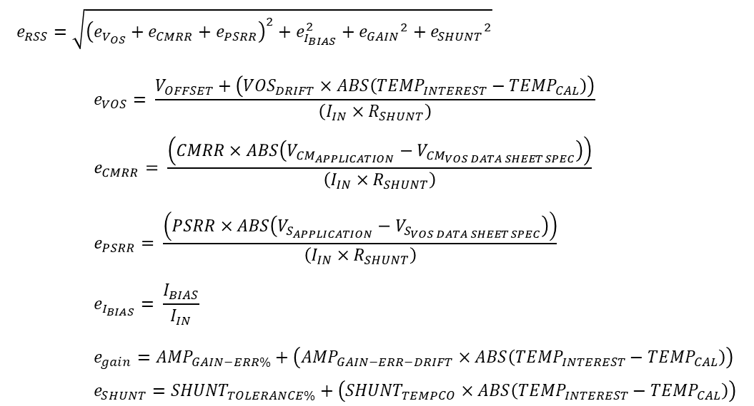
...
The following error factors are not included in this analysis: Reference Voltage Rejection, Linearity, Input Filter Effects, Output Filter Effects, Bandwidth. Individual data sheets will address these additional error terms. In addition, contact TI in the E2E Current Sensing Forum shown above for additional help with error calculations.

3) Maximum Calculated Shunt Restor Value:
In this tool, the Calclulated Shunt Resistor is based on the full-scale input volatge diviced by the user-entered Maximum Measured Current. For the digital power monitors, the full scale input range is defined in the data sheet - for example, here it is in the INA226:
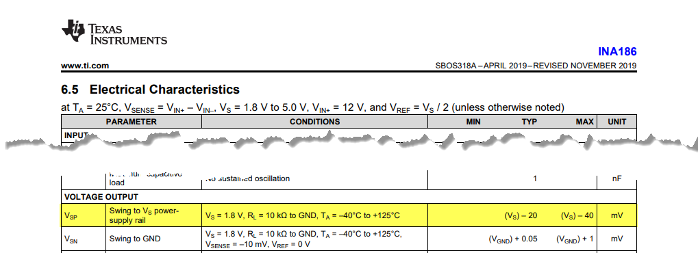 For the analog output devices, the tool will calculate the full scale input range based on the entered Supply Voltage minus the swing to supply value from the device data sheet divided by the gain for the chosen device. Note that this method works for all of the devices inlcuded in this tool; however there are some devices this methodology will not work for. Note that uni-directional measurement is assumed for the bi-directional capable devices.
The actual shunt value implemented should be less than the ideal calculated value to insure that under parametric variation from resistor to resistor and device to device that you do not enter saturation.
For more on sizing your shunt resistor, see our video: |  |  | TI Precision Labs - Current Sense Amplifiers: How to Choose a Shunt Resistor

4) Review the product datasheets:
 | Current Sense Amplifiers Product Overview

5) There is a TI Precision Labs Video Currculum for Current sense Amplfiers
 | TI Precision Labs - Current Sense Amplifiers

